Sheet1
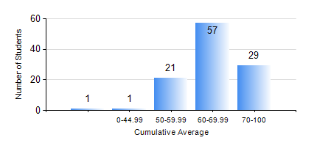
 |  |  | KWAME NKRUMAH UNIVERSITY OF SCIENCE AND TECHNOLOGY, KUMASI Department of Telecommunication Engineering

 |  |  | BSC. TELECOMMUNICATION ENG.

 |  |  | COMPREHENSIVE RECORD OF EXAMINATION RESULTS

 |  |  | RESULTS OF YEAR 1 SECOND SEMESTER, 2019/2020 ACADEMIC YEAR

 | Sn | Course Code |  | Course Name | Credit Hours | Min. Mark | Max. Mark | Avg. Mark | Std. Dev. | No. Passed | No. Trailed | No. (Df) | No. (I) | No. (I*) | No. Tagged(I,I*,Df) | Total
 | 0. |  |  |  |  |  |  | 0 | 0 | 0 | 0 | 0 | 0 | 0 | 0 | 2
 | 1. | COE 158 |  | INTRODUCTION TO INFORMATION TECHNOLOGY | 2 | 43 | 75 | 66 | 5.89 | 106 | 0 | 0 | 1 | 0 | 1 | 107
 | 2. | EE 152 |  | BASIC ELECTRONICS | 3 | 41 | 84 | 69 | 9.27 | 105 | 0 | 0 | 2 | 0 | 2 | 107
 | 3. | EE 156 |  | ELECTRICAL ENG. DRAWING | 2 | 62 | 90 | 75 | 5.99 | 107 | 0 | 0 | 0 | 0 | 0 | 107
 | 4. | EE 172 |  | ELECTRICAL MACHINES | 3 | 41 | 86 | 73 | 9.54 | 106 | 0 | 0 | 1 | 0 | 1 | 107
 | 5. | ENGL 158 |  | COMMUNICATION SKILLS II | 2 | 52 | 89 | 77 | 8.44 | 106 | 0 | 0 | 1 | 0 | 1 | 107
 | 6. | MATH 152 |  | CALCULUS WITH SEVERAL VARIABLES | 4 | 58 | 80 | 73 | 6.39 | 107 | 0 | 0 | 0 | 0 | 0 | 107
 | 7. | ME 166 |  | APPLIED THERMODYNAMICS | 2 | 30 | 86 | 61 | 10.64 | 104 | 2 | 0 | 1 | 0 | 1 | 107

